Account 9 Box
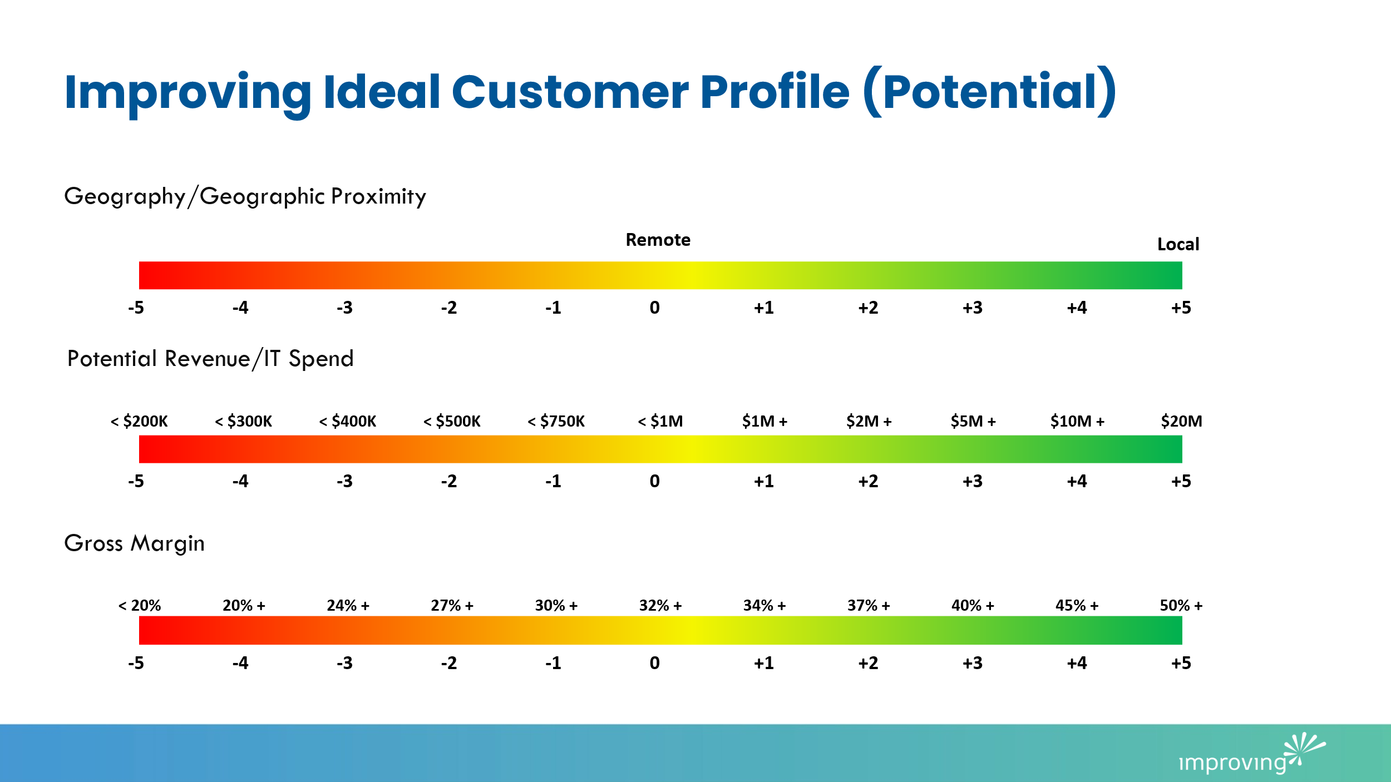

Account
Potential
Best case, what do you think that annual IT services spend could be at this client? |  |  |  |  | $5,000,000
What do you think is the maximum average gross margin could be this client? |  |  |  |  | 45%
Is the client located in an area where Improving has an office? |  |  |  |  | Y
Realized
What is the TTM revenue at this client? |  |  |  |  | $-
What is the TTM gross margin at this client? |  |  |  |  | 0%
Does our delivery lead or biz dev executive live in the same place as the client buyer? |  |  |  |  | Y

Nine Box Score

Potential Calculations |  |  |  |  |  | Potential Weighted Value
Geography | Value | 5 | Weighted Value: | 0.5 |  | Geo | 10%
Revenue | Value | 3 | Weighted Value: | 2.1 |  | Revenue | 70%
Gross Margin | Value | 4 | Weighted Value: | 0.8 |  | GM | 20%
Potential |  |  |  | 3.400
 |  |  |  |  |  | Revnue: | Score | Gross Margin | Score
 |  |  |  |  |  | $200,000 | -5 | 20% | -5
Realized Calculations |  |  |  |  |  | $300,000 | -4 | 20% | -4
Geography | Value | 5 | Weighted Value: | 0.5 |  | $400,000 | -3 | 24% | -3
Revenue | Value | -5.0000 | Weighted Value: | -3.5 |  | $500,000 | -2 | 27% | -2
Gross Margin | Value | -5 | Weighted Value: | -1 |  | $750,000 | -1 | 30% | -1
Realized |  |  |  | -4 |  | $1,000,000 | 0 | 32% | 0
 |  |  |  |  |  | $1,000,000 | 1 | 34% | 1
 | X | Y |  |  |  | $2,000,000 | 2 | 37% | 2
 | -4.000 | 3.400 |  |  |  | $5,000,000 | 3 | 40% | 3
 |  |  |  |  |  | $10,000,000 | 4 | 45% | 4
 |  |  |  |  |  | $20,000,000 | 5 | 50% | 5

 |  |  |  |  |  | Measurement Low | -5
SIGNIFICANT |  |  |  |  |  | Revenue Scale | 10
POISED
IDEAL
SOLID
CORE
STEADY
LIMITED
CONSTRAINED
CAPPED

